Graphs
 | AXLE LOAD DATA ANALYSIS (MBALE - TORORO HIGHWAY)
Load Description (Tororo-Mbale Highway)
Truck Composition for Tororo-Mbale Highway
Vehicle Categories |  |  |  |  |  | Load Description
 | Truck Type | Tororo-Mbale | Mbale-Tororo | Both Directions |  | Category | Tororo-Mbale | Mbale-Tororo
7 | Light/Medium Trucks | 58 | 46 | 104 |  | Agricultural produce | 22.4% | 19.3%
9 | Heavy Trucks | 27 | 16 | 43 |  | Perishable | 0.6% | 4.2%
10 | Truck/Trailer | 76 | 57 | 133 |  | Construction Material | 49.1% | 5.0%
 | Totals | 161 | 119 | 280 |  | Metal/machinery | 0.6% | 0.0%
 |  |  |  |  |  | Forestry products | 0.6% | 5.0%
 |  |  |  |  |  | Fuels | 6.2% | 0.0%
 |  |  |  |  |  | Chemical Products | 4.3% | 38.7%
 |  |  |  |  |  | Livestock | 0.0% | 0.0%
 |  |  |  |  |  | Household retail products | 6.8% | 10.9%
 |  |  |  |  |  | Empty | 8.1% | 16.0%
 |  |  |  |  |  | Others | 1.2% | 0.8%
 |  |  |  |  |  | Total | 161 | 119

Average Truck Loading (Tororo-Mbale Higwhay)
Average Total Loading (Tonnes)
 | Truck Type | Tororo-Mbale | Mbale-Tororo | Both Directions | Limit
7 | Light/Medium Trucks | 6.1 | 8.8 | 7.4 | 18
9 | Heavy Trucks | 16.6 | 19.7 | 18.2 | 27
10 | Truck/Trailer | 34.9 | 35.7 | 35.3 | 54
 | Totals

 |  |  |  |  |  | Percentage by Which Trucks are Overloaded
 |  |  |  |  |  |  | Truck Type | Tororo-Mbale | Mbale-Tororo | Both Directions
 |  |  |  |  |  |  | 0-4.9% | 0.6% | 0.0% | 0.3%
 |  |  |  |  |  |  | 5-25% | 0.0% | 0.8% | 0.4%
 |  |  |  |  |  |  | 25-50% | 0.0% | 0.0% | 0.0%
 |  |  |  |  |  |  | Over 50% | 0.0% | 0.0% | 0.0%
Percentage By Which Vehicles Are Overloaded (Tororo-Mbale)
 |  |  |  |  |  |  |  | 161 | 119

Average Proportion of Overloaded Trucks (Tororo-Mbale)
Proportion of Overloaded Trucks
 | Truck Type | Tororo-Mbale | Mbale-Tororo | Both Directions
7 | Light/Medium Trucks | 0.0% | 2.2% | 1.1%
9 | Heavy Trucks | 0.0% | 0.0% | 0.0%
10 | Truck/Trailer | 0.0% | 0.0% | 0.0%
 | Overall | 0.0% | 0.8%

KEY
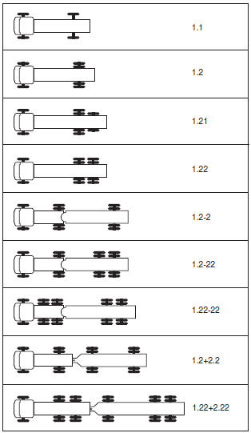
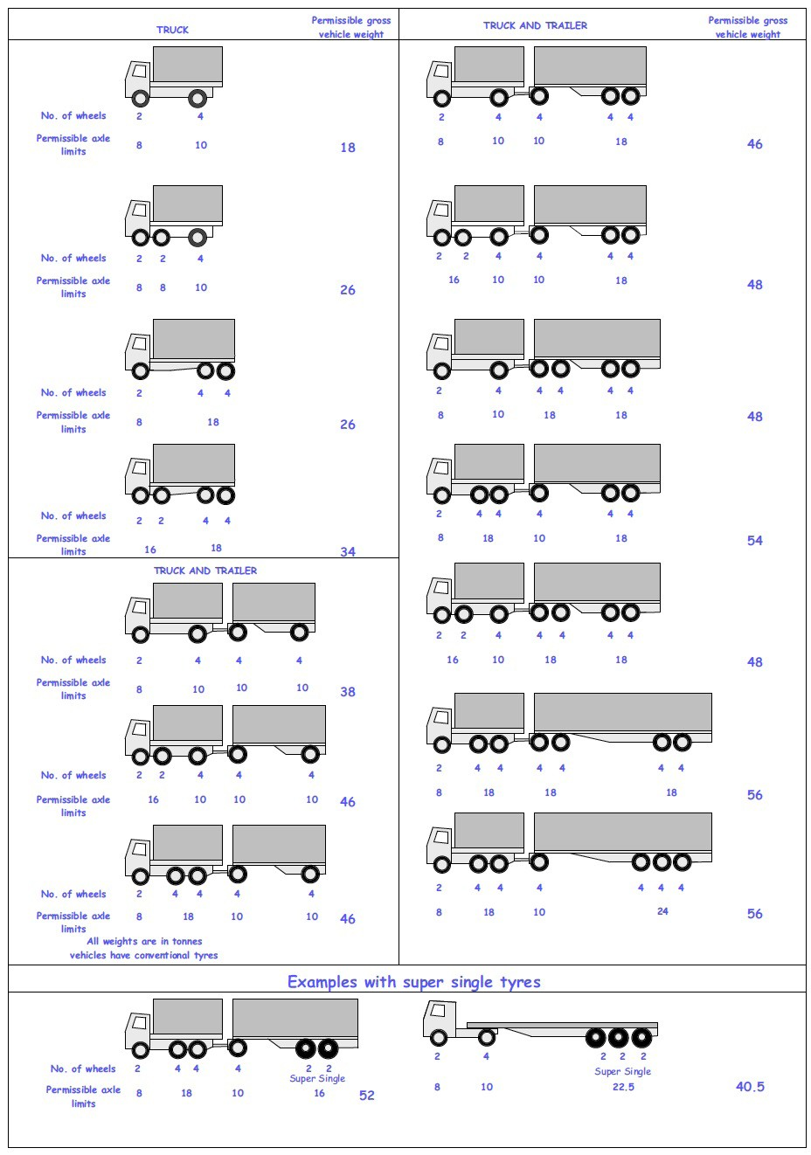
 |  |  |  |  | Axle Configuration
TRUCK TYPES |  |  |  |  | 2-Axles | 2-Axles | 3-Axle | 4-Axle | 5-Axle | 6-Axle | 7-Axle

7 | LIGHT SINGLE UNIT TRUCK-DYNAS AND TRACTORS(2 axles) |  |  |  | 1.1 | 1.2
8 | LIGHT/MEDIUM SINGLE UNIT TRUCKS (3 axles) |  |  |  |  |  | 1.22
9 | MEDIUM - SINGLE UNIT TRUCKS-LORRIES, FUSOS (4 axles) |  |  |  |  |  |  | 1.1-22
 |  |  |  |  |  |  |  | 1.222

10 | HEAVY TRUCK RIGID (5 axles) |  |  |  |  |  |  |  | 1.1-222
 |  |  |  |  |  |  |  |  | 1.2-222
 |  |  |  |  |  |  |  |  | 1.22-22
11 | TRUCK TRAILER AND SEMI TRAILER (6 axles) |  |  |  |  |  |  |  |  | 1.12-222
 |  |  |  |  |  |  |  |  |  | 1.22-222
 |  |  |  |  |  |  |  |  |  | 1.22+1-22
 |  |  |  |  |  |  |  |  |  | 1.22+2-22
 |  |  |  |  |  |  |  |  |  | 1.21-222
 |  |  |  |  |  |  |  |  |  | 1.22-111
12 | TRUCK TRAILER TYPE 2 (7 axles) |  |  |  |  |  |  |  |  |  | 1.11+11-11
 |  |  |  |  |  |  |  |  |  |  | 1.22+22-22
 |  |  |  |  |  |  |  |  |  |  | 1.12+11-22

 | 7. Light Truck
 | 8. Medium Truck
 | 9. Heavy truck
 | 10. Truck Trailer

 | 1*1 | Light Truck | 7 | 18
 | 1*2 | Light Truck | 7 | 18
 | 1*21 | Medium Truck | 8 | 26
 | 1*22 | Heavy Truck | 9 | 26
 | 1*2*2 | Truck Trailer | 10 | 46
 | 1*2*22 | Truck Trailer | 10 | 46
 | 1*22-22 | Truck Trailer | 10 | 46
 | 1*2*2*2 | Truck Trailer | 10 | 46
 | 1*22*2*22 | Truck Trailer | 10 | 46
 | 11*22 | Heavy Truck | 9 | 34

